Process
ID | Step | Description | Screenshot/Resource | Exception ID | Out of Scope | Variables | File Locations | Notes/Questions
1 | Log into ACME
1.01 | Open the ACME System 1 Web Application |  |  | EXSYS01 |  | ACME URL
1.02 | Log in to System 1. Required input data: email and password. |  | 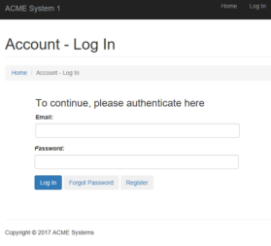 | EXBUS01 |  | ACME_Credentials_ID ACME_Credentials_Secret
2 | Access WI5 Work Items
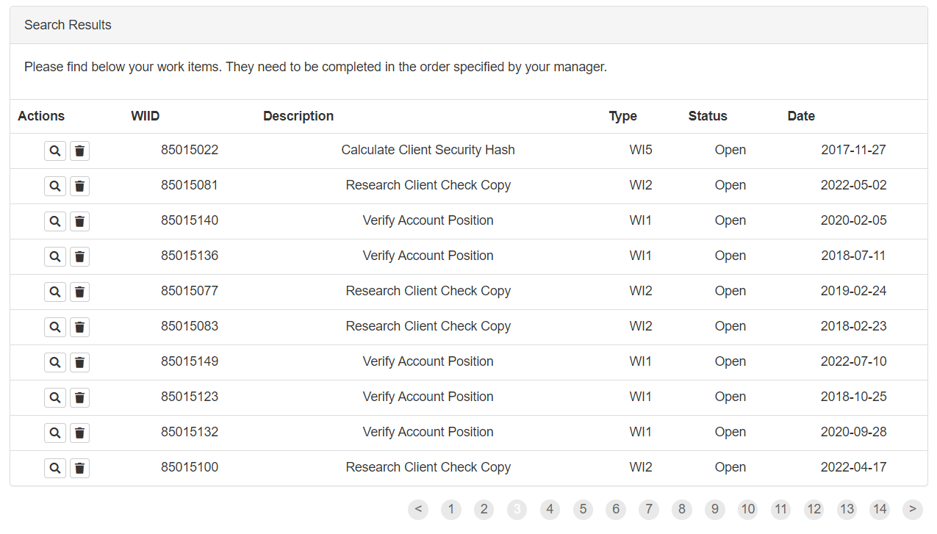
2.01 | Access the Dashboard - the central location, where the user can pick a specific menu item
 | Access the Work Items listing to view all the available tasks to be performed |  |  |  |  | ACME_WorkItems_URL
2.02 | Read the following information from XML Schema. (Refer to variables) |  |  |  |  | WI5 Items
2.03 | For each activity of the type WI5 perform the following steps:
3 | Get Client Details
3.01 | Open the Details page of the selected activity to retrieve the Client Details |  |  |  |  | ClientID ClientName ClientCountry
4 | Generate Security Hash
4.01 | Open the SHA1 generator webpage |  |  | EXSYS02
4.02 | Provide the following input: ClientIDClientNameClientCountry | Replace all the variables with the corresponding values. Use dashes between each item and the next one, as shown below. ClientID-ClientName-ClientCountry | 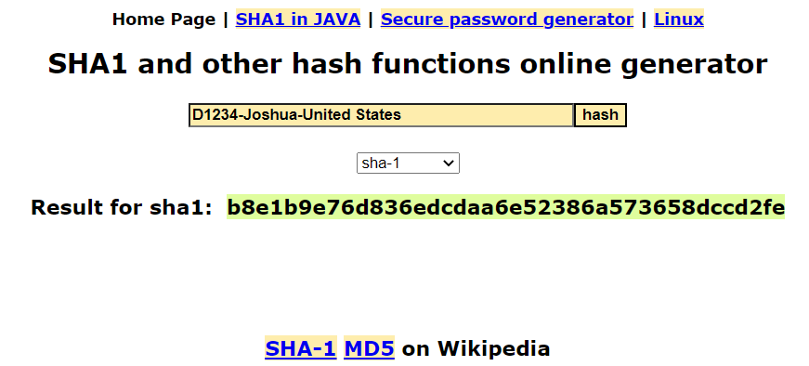 |  |  | Client_ID Client_Name Client_Country
4.03 | Retrieve Client Security Hash from the webpage |  |  |  |  | Hash_Code
5 | Update Note with Security Hash
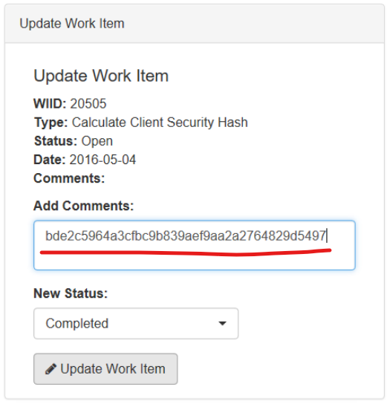
5.01 | Go back to the Work Item Details and select Update Work Item |  |  |  |  | ACME_Item_Notes_URL
5.02 | Set the status to “Completed”. Add a Comment with the obtained SecurityHash |  |  |  |  | Status Hash_Code
5.03 | Continue with the next WI5 Activity

